1. Title Page
[Sales & Customer Analysis]

Project Name: Instacart Sales & Customer Analysis
Date: 04/12/2025
Analyst Name: Serena Kunzmann

Contents:
Population Flow
Consistency checks
Wrangling steps
Column derivations
Visualizations
Recommendations

2. Population Flow
 | Title page

Population flow

Exclusion flag
Condition: max_order <
Obervations to be removed: 29,630
Final total count of order_products_all: 32,404,859

Orders_products_combined
Orders_products_merged
Orders_products_all

Total: 32404859
Total: 32434489
Total: 32404859

1.) The grey boxes in the first row of the population flow represent the original data sets as they were when you downloaded them. In the Total fields you need to add the count of the rows when you imported the data set into Jupyter.
2.) The second row of boxes (coloured) represents the data sets after you manipulated them, e.g., removed missing values and duplicates. In the Total fields you need to add the count of the rows after conducting these operations. This offers a visual oveview of how the data flows throughout the data consistency checks.
3.) The third row, where also the arrows are coloured, represents the merges you performed between the datasets. In the Total fields you need to add the count of the rows in the merged datasets, so that you end up with the final dataset (in the red box). Keep in mind the final dataset should be without exclusions (based on the exclusion flag).

29630

3. Consistency checks
 |  |  |  | Title page
Consistency checks

Dataset | Missing values | Missing values treatment | Duplicates
orders | 60078 missing values in days_since_prior_order | left them in as they indicate 1 time shoppers | no duplicates
products | 16 missing values in product_name | deleted | 5 duplicates were found
orders_products_prior | no missing values | N/A | no duplicates
customers | 11259 missing values found in first_name | left them in asthey still held valueable information in those rows | no duplicates

4. Wrangling steps
 |  |  |  | Title page
Wrangling steps

Columns dropped | Columns renamed | Columns' type changed | Comment/Reason
eval_set |  |  | not required in analysis
_merge |  |  | not required in analysis
Unnamed: 0 |  |  | not required in analysis
 | order_dow to order_day_of_week |  | for clarity
 | First Name changed to first_name |  | for consistency
 | Surnam changed to last_name |  | for clarity
 | STATE changed to state |  | for consistency
 | n_dependants changed to dependents_count |  | for clarity
 | Age changed to age |  | for consistency
 | Gender changed to gender |  | for consistency
 | fam_status to family_status |  | for clarity
 |  | Order_id & User_id changed to string | they didn’t need to be included in statistical summary
 |  | first_name type changed to string | first_name had mixed type data

5. Column derivations
 |  |  |  | Title page

Column derivations and aggregations

In this tab you should add tables below that the frequences of flags/label variables that you produced after deriving them. NB: don't do this for continuous variables, only for flags.
Dataset | New column | Column/s it was derived from | Conditions
df_full (orders, prior orders & products combined) | price range loc | prices | df_full.loc[df_full['prices']>15, 'price_range_loc']='High-range product'
 |  |  | df_full.loc[(df_full['prices'] <=15) & (df_full['prices'] > 5), 'price_range_loc']='Mid-range product'
 |  |  | df_full.loc[df_full['prices'] <= 5, 'price_range_loc']='Low-range product'
df_full (orders, prior orders & products combined) | busiest_days | order_day_of_week | results = [] for value in df_full["order_day_of_week"]: if value== 0 or value==2: results.append("Busiest days") elif value == 4 or value == 3: results.append("Slowest days") else: results.append("Regular days")
df_full (orders, prior orders & products combined) | busiest_period_of_day | order_hour_of_day | results_3 = [] for value in df_full["order_hour_of_day"]: if value in (10,11,14,15,13,12,16,9): results_3.append("Most orders") elif value in (17,8,18,19,20,7,21,22): results_3.append("Average orders") else: results_3.append("Fewest orders")
ords_prods_merge(orders, prior orders & products combined) | max_order | user_id, order_number | ords_prods_merge['max_order']=ords_prods_merge.groupby(['user_id'])['order_number'].transform(np.max)
ords_prods_merge(orders, prior orders & products combined) | loyalty_flag | max_order | ords_prods_merge.loc[ords_prods_merge['max_order'] > 40, 'loyalty_flag'] = 'Loyal customer'
 |  |  | ords_prods_merge.loc[(ords_prods_merge['max_order'] <= 40) & (ords_prods_merge['max_order'] > 10), 'loyalty_flag'] = 'Regular customer'
 |  |  | ords_prods_merge.loc[ords_prods_merge['max_order'] <= 10, 'loyalty_flag'] = 'New customer'
ords_prods_merge(orders, prior orders & products combined) | avg_price | user_id, prices | ords_prods_merge['avg_price']=ords_prods_merge.groupby('user_id')['prices'].transform(np.mean)
ords_prods_merge(orders, prior orders & products combined) | spending_flag | avg_price | ords_prods_merge.loc[ords_prods_merge['avg_price'] < 10, 'spending_flag'] = 'Low spender'
 |  |  | ords_prods_merge.loc[ords_prods_merge['avg_price'] >= 10, 'spending_flag'] = 'High spender'
ords_prods_merge(orders, prior orders & products combined) | median_order | user_id, days_since_prior_order | ords_prods_merge['median_order']=ords_prods_merge.groupby('user_id')['days_since_prior_order'].transform(np.median)
ords_prods_merge(orders, prior orders & products combined) | order_frequency_flag | median_order | ords_prods_merge.loc[ords_prods_merge['median_order'] > 20, 'order_frequency_flag'] = 'Non-frequent customer'
 |  |  | ords_prods_merge.loc[(ords_prods_merge['median_order'] >10) & (ords_prods_merge['median_order'] <=20), 'order_frequency_flag'] = 'Regular customer'
 |  |  | ords_prods_merge.loc[ords_prods_merge['median_order'] <=10, 'order_frequency_flag'] = 'Frequent customer'
ords_prods_cust | region |  | result=[] for value in ords_prods_cust ["state"]: if value in ['Maine','New Hampshire','Vermont','Massachusetts','Rhode Island','Connecticut','New York','Pennsylvania','New Jersey']: result.append("Northeast") elif value in ['Wisconsin','Michigan','Illinois','Indiana','Ohio','North Dakota','South Dakota','Nebraska','Kansas','Minnesota','Iowa','Missouri']: result.append ("Midwest") elif value in ['Delaware','Maryland','District of Columbia','Virginia','West Virginia','North Carolina','South Carolina','Georgia','Florida','Kentucky','Tennessee','Mississippi','Alabama','Oklahoma','Texas','Arkansas','Louisiana']: result.append ("South") elif value in ['Idaho','Montana','Wyoming','Nevada','Utah','Colorado','Arizona','New Mexico','Alaska','Washington','Oregon','California','Hawaii']: result.append ("West")
ords_prods_cust | low activity |  | result_2 =[] for value in ords_prods_cust['max_order']: if value <=5: result_2.append ("Y") else: result_2.append ("N")

df_filtered | age_group |  | df_filtered_.loc[df_filtered['age'] < 25, 'age_group'] = 'Gen Z'
 |  |  | df_filtered_.loc[(df_filtered['age'] >= 25) & (df_filtered['age'] < 40), 'age_group'] = 'Millennial'
 |  |  | df_filtered_.loc[(df_filtered['age'] >= 40) & (df_filtered['age'] < 60), 'age_group'] = 'Gen X'
 |  |  | df_filtered_.loc[df_filtered['age'] >= 60, 'age_group'] = 'Boomer'
df_filtered | income_bracket |  | df_filtered_.loc[df_filtered['income'] < 40000, 'income_bracket'] = 'Low'
 |  |  | df_filtered_.loc[df_filtered['income'] >= 80000, 'income_bracket'] = 'High'
 |  |  | df_filtered_.loc[(df_filtered['income'] >= 40000) & (df_filtered['income'] < 80000), 'income_bracket'] = 'Middle'
df_filtered | family_type |  | df_filtered_.loc[(df_filtered['dependents_count'] > 0) & (df_filtered['dependents_count'] <= 2), 'family_type'] = 'Small family'
 |  |  | df_filtered_.loc[df_filtered['dependents_count'] > 2, 'family_type'] = 'Large family'
 |  |  | df_filtered_.loc[df_filtered['dependents_count'] == 0, 'family_type'] = 'No kids'
df_filtered | Customer_profile |  | df_filtered_.loc[:, 'Customer_profile'] = df_filtered_['age_group'] + ' ' + df_filtered_['family_type']

6. Visualizations
 | Title page

Visualisations

In this tab you should include all the visualtions from Exercises 4.9 and 4.10, alongside the questions from the project brief that they answer. Include any commentary on the relationship between different variables.

Question: What are the busiest days of the week and hours of the day? (i.e., the days and times with the most orders)
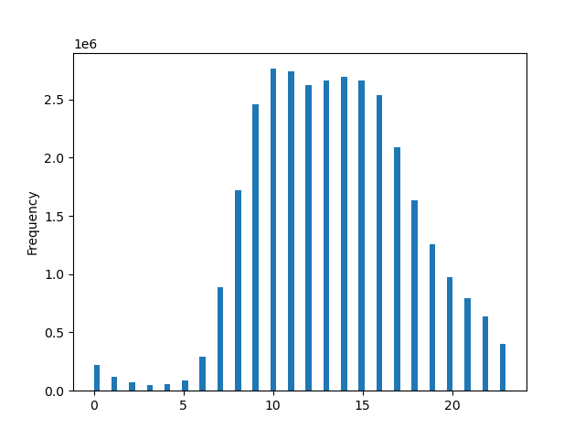
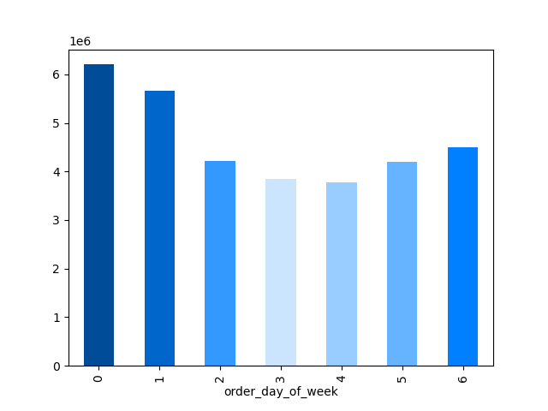

Answer: The busiest days are Friday, Saturday & Sunday. The busiest hours are 10am and 11am

Question: Are there are particular times of the day when people spend the most money? (as this might inform the type of products they advertise at these times)


Answer: People spend the most money in the mornings from 3-7am. Then there is another spike at 5 & 10pm.

Question: Are there certain types of products that are more popular than others? (The marketing and sales teams want to know which departments have the highest frequency of product) orders.

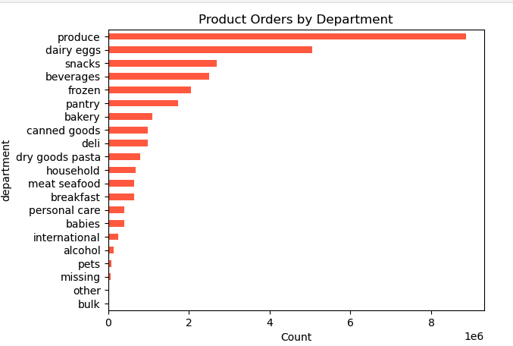

Answer: Produce & eggs are the most popular departments, followed by snacks & beverages.

Question: What’s the distribution among users in regards to their brand loyalty(i.e., how often do they return to Instacart)?

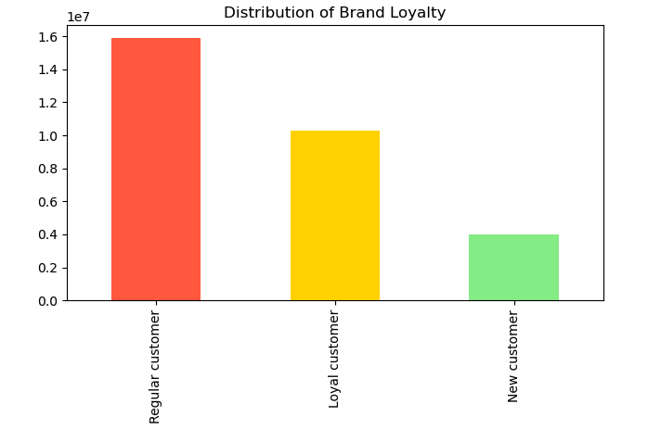
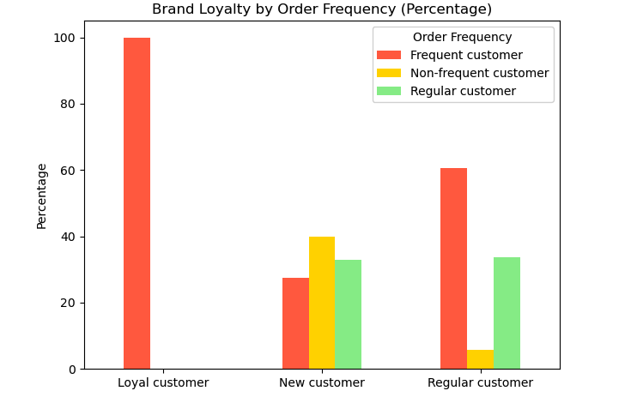

Answer: The majority of customers are Regular customers (11-40 max orders). Loyalty and Regular customers have the most frequenctshoppers (returning every 10 days or less). While New customers have the most Non-frequent shoppers (return after 21+ days).

Question: Are there differences in ordering habits based on a customer’s loyalty status?

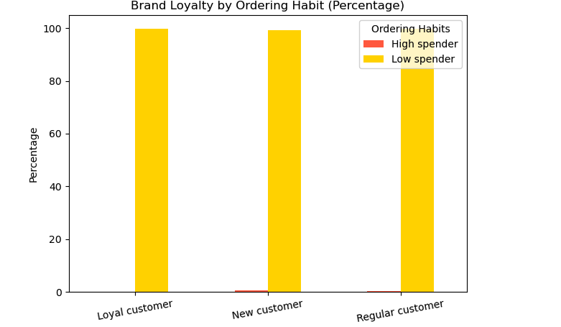

Answer: The majoirty of all orders were placed by the low spender category. Interestingly, New customers had the highest concentration of high spenders.

Question: Are there differences in ordering habits based on a customer’s region?

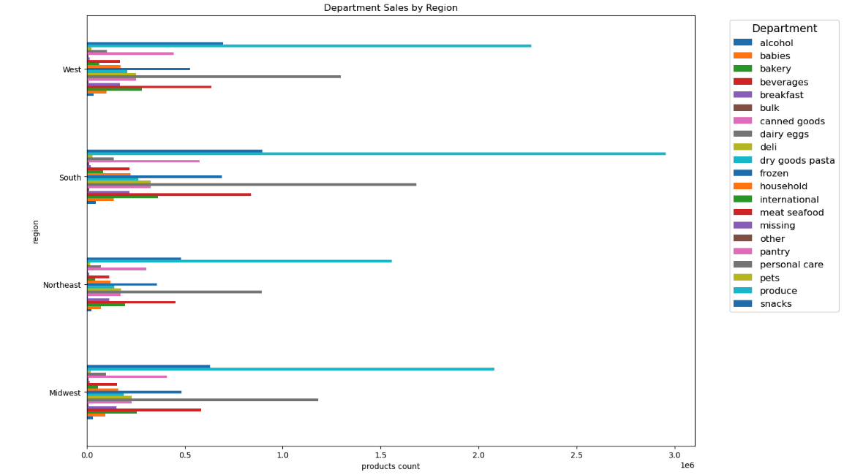
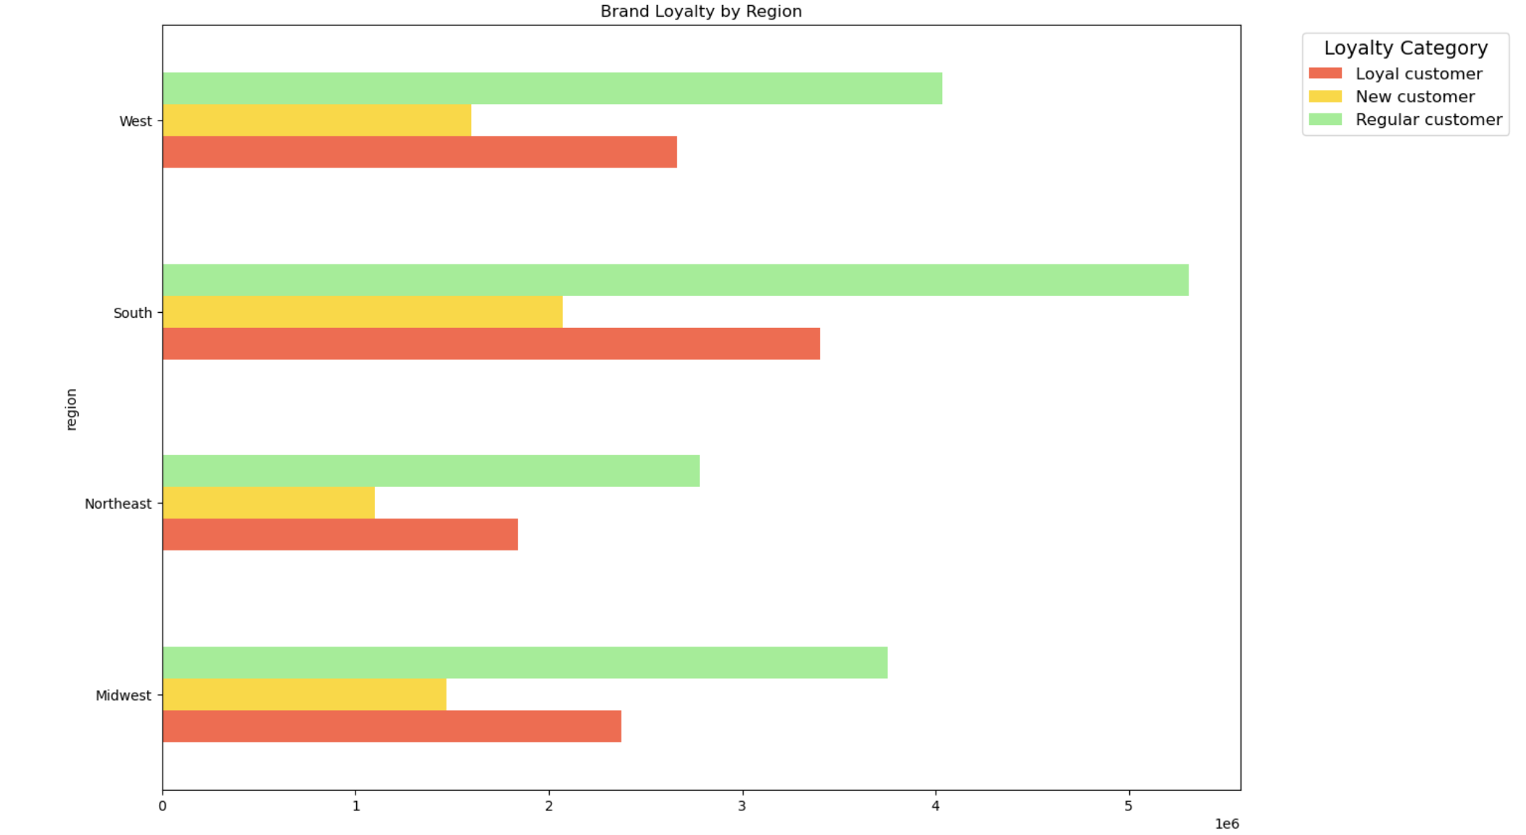

Answer: The Southern region has the most orders, followed by the Western region. Northeast has the lowest orders. This is do to customer population size. After normalizing orders per region, we found no significant differences in ordering habits. Additionally, we found no differences in brand loyalty across regions.

Question: Is there a connection between age and family status in terms of ordering habits?

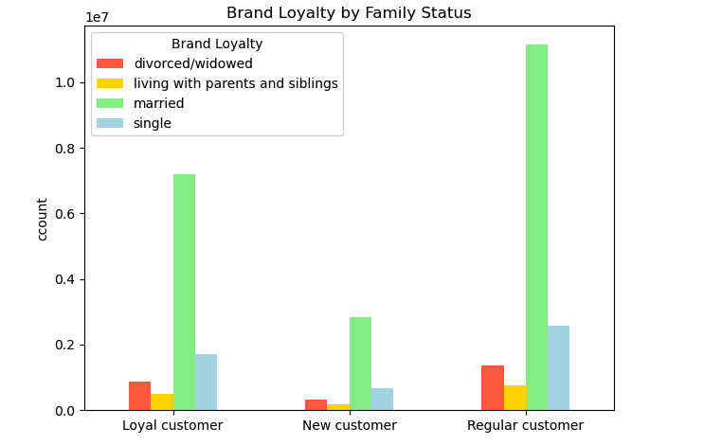
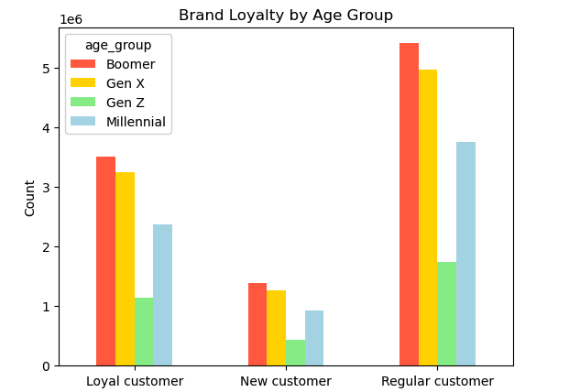

Answer: Married Boomers produce the most orders.

Question: What different classifications does the demographic information suggest? Age? Income? Certain types of goods? Family status?

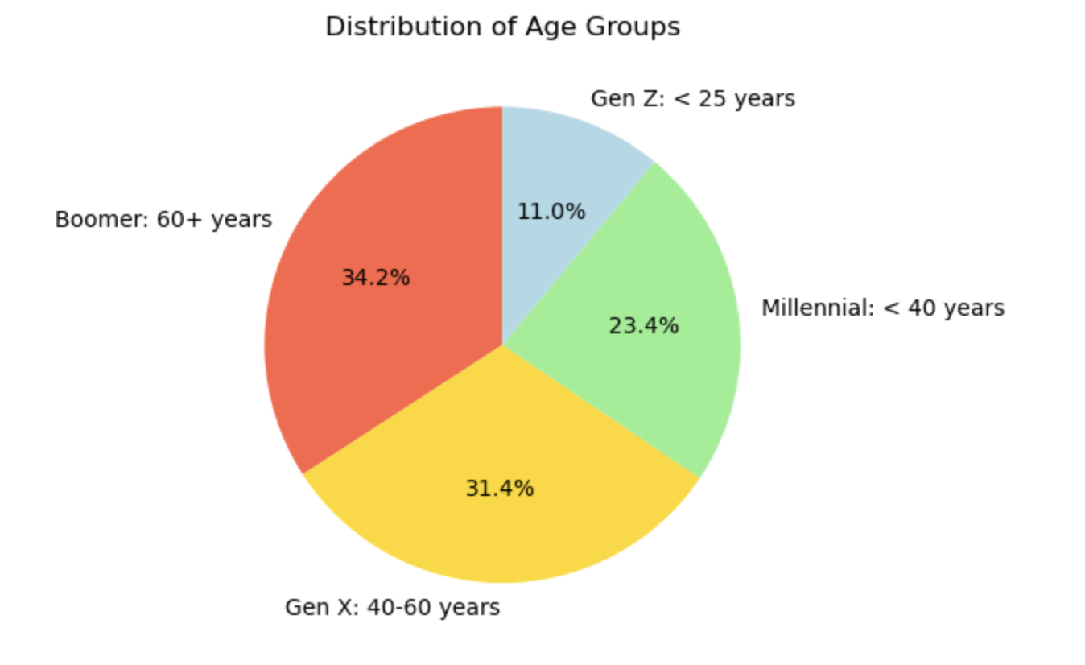
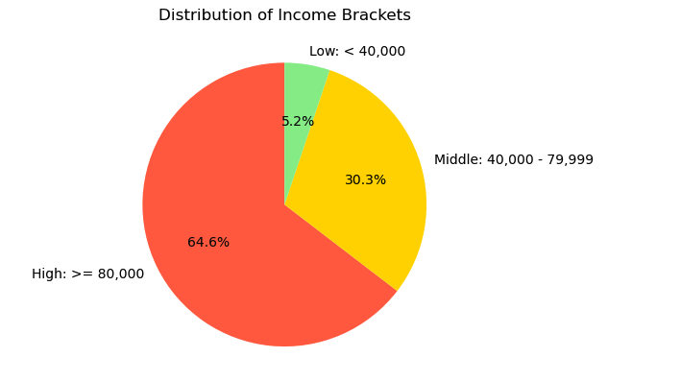
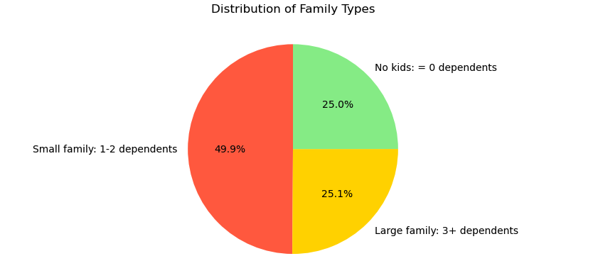

Answer: The majority of customers are Boomers (60+ years), have high income ($80,000+), and have small families (1-2 dependents)

7. Recommendations
 |  | Title page

Recommendations

In this tab you should include any recommendations you would made to Instcart in terms of their marketing strategy based on the questions posed in the brief. Every key question has been covered in the Tasks of the Exercises - here you need to add an item - a visualisation or table/crosstable that is showing the answer in the data, acompanied by a comment from you. Please, list the questions below and add the answer underneath.

Questions | Answers |  | Recommendations
What the busiest days of the week and hours of the day are (i.e., the days and times with the most orders) in order to schedule ads at times when there are fewer orders? | The busiest days are Friday, Saturday & Sunday. The busiest hours are 10am and 11am |  | Schedule ads during the week, specifically Tuesdays & Wednesdays and outside of work hours (6-7am & 6-9pm)

Are there particular times of the day when people spend the most money, as this might inform the type of products they advertise at these times. The highest frequency of product orders will be determined here? | People spend the most money in the mornings from 3-7am. Then there is another spike at 5 & 10pm. |  | Have staff try to upsell products from 3-7am & 5-10pm.

Are there certain types of products that are more popular than others? (The marketing and sales teams want to know which departments have the highest frequency of product) orders. | Produce & eggs are the most popular departments, followed by snacks & beverages. |  | Ensure produce & eggs are always fresh and in stock. Have wide variety of snacks & beverages.
What’s the distribution among users in regards to their brand loyalty (i.e., how often do they return to Instacart)? | The majority of customers are Regular customers (11-40 max orders). Loyalty and Regular customers have the most frequenctshoppers (returning every 10 days or less). While New customers have the most Non-frequent shoppers (return after 21+ days). |  | Develop an incentive program for loyal customers, and create trageted marketing comms to Regular customers encourage more shopping & learn about the loyalty program. Additionally create a triggered based welcome series for new customers with personalized promos to encourage repeat orders.
Are there differences in ordering habits based on a customer’s loyalty status? | The majoirty of all orders were placed by the low spender category. Interestingly, New customers had the highest concentration of high spenders. |  | Customers are typically low spenders across all loyalty groups. Target Gen Z and Boomer customers in the high income bracket with higher prices items. And New customers with a mix of novalty items vs promos.
Are there differences in ordering habits based on a customer’s region? | The Southern region has the most orders, followed by the Western region. Northeast has the lowest orders. This is do to customer population size. After normalizing orders per region, we found no significant differences in ordering habits. Additionally, we found no differences in brand loyalty across regions. |  | The same marketing campaigns can be run across the coutry.
Is there a connection between age and family status in terms of ordering habits? | Married Boomers produce the most orders. |  | Tailor marketing communications by age and family type.
What different classifications does the demographic information suggest? Age? Income? Certain types of goods? Family status? | The majority of customers are Boomers (60+ years), have high income ($80,000+), and have small families (1-2 dependents) |  | Personalize marketing communications based on purchase history and with product recommendations from top selling items in their peer group ( people their age/family type.)

